Sheet1
No | SKU | Title | OEM | Picture | Url
1 | 1043 | Metric Fastener Assortment withoutut Compartment Bin |  | 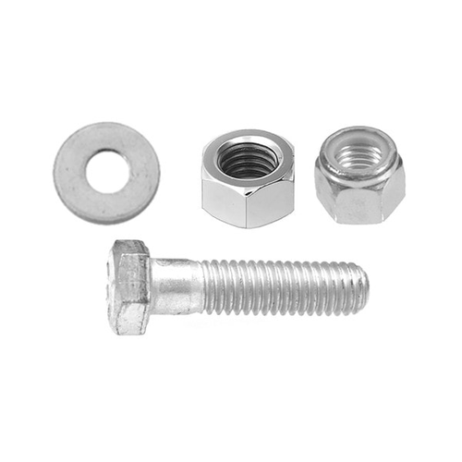 | https://www.auveco.com/metric-fastener-assortment-w-o-bin-1043
2 | 1042 | Metric Fastener Assortment In Two 40 Compartment Bins |  |  | https://www.auveco.com/metric-fastener-assortment-in-two-40-compartment-bins-1042
3 | 1041 | Metric Fastener Assortment Regular Pitch withoutut Compartment Bin |  |  | https://www.auveco.com/metric-fastener-asst-reg-pitch-w-o-bin-1041
4 | 1040 | Metric Fastener Assortment In 40 Compartment Bin |  |  | https://www.auveco.com/metric-fast-asst-in-40-comp-bin-1040
5 | 1031 | Grade 8 USS Fastener Assortment withoutut Compartment Bin |  |  | https://www.auveco.com/uss-fastener-asst-wo-bin-1031
6 | 1030 | Grade 8 Fastener Assortment In 40 Compartment Bin |  |  | https://www.auveco.com/gr-8-fastener-asst-in-40-compartment-bin-1030
7 | 1021 | Grade 5 USS Fastener Assortment withoutut Compartment Bin |  |  | https://www.auveco.com/gr-5-uss-fast-asst-w-o-bin-1021
8 | 1020 | Grade 5 Fastener Assortment In 40 Compartment Bin |  | 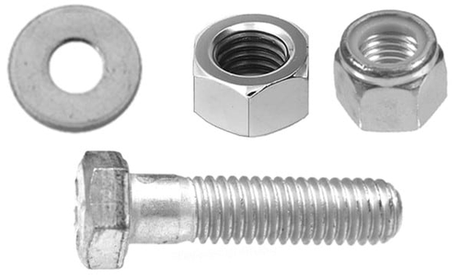 | https://www.auveco.com/gr-5-fast-asst-in-40-comp-bin-1020
9 | 1055 | Metric Retainer Assortment withoutut Compartment Bin |  | 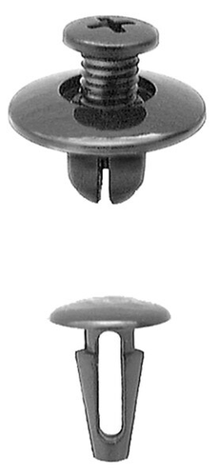 | https://www.auveco.com/import-retainer-assortment-w-o-bin-1055
10 | 1054 | Metric Retainer Assortment In 36 Compartment Bin |  | 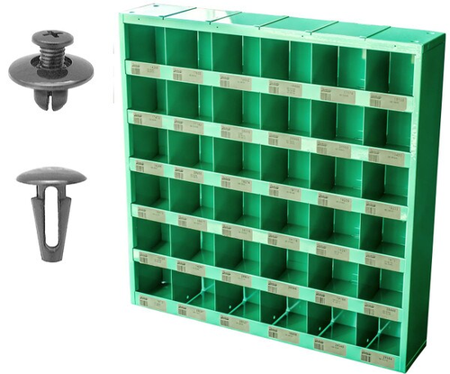 | https://www.auveco.com/import-retainer-assortment-in-36-comp-bin-1054

